Sheet1
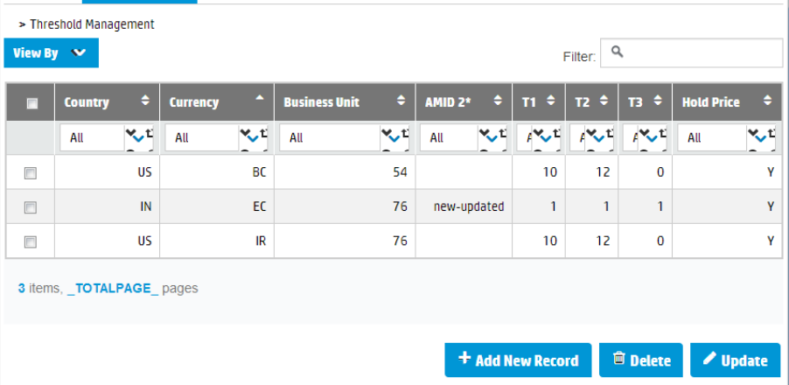
Title

Table Data

Key
[hidden]
Data Field

